Business Requirements Document
BUSINESS REQUIREMENTS DOCUMENT TEMPLATE
PROJECT DETAILS
PROJECT NAME |  |  |  | DOCUMENT #
BooK Analytics
CREATOR |  |  |  | DATE
Team 2
VERSION #
V1

1. EXECUTIVE SUMMARY SNAPSHOT
Provide an executive summary (overview of your business requirements) here. Your executive summary should be a “snapshot” of the purpose of your business requirements, including a brief description of any analysis, findings, project details, scope, business drivers, proposed process, current process, and functional requirements. An executive summary provides an overview of a larger document or of research and is usually the first thing your reader will see. Here are the questions you should answer when writing your business requirements executive summary: - What is the goal (purpose) of this business requirements document (BRD)? - Who is the audience for this business requirements document?
Our team plans to develop a data warehouse and visualization to access the current situation of the business and increase sales. This document is developed for both the developers and clients. Data warehouse will be developed in Azure Data Lake , Data cleaning and transformation will be done and finally, the report will be generated in power BI where the users can see data in tabular form and graphs

2. PROJECT DESCRIPTION
In this section, describe the project for which you are writing this business requirements document. Describe the project’s purpose, what the current process/solution is for the project, what the challenges are, and why you need to undertake the project.
Project purpose is to create a Data ware and report to visualize the current scenario of sales and understand the trend. The Data ware will be able to ingest the data, transform it and store it and the visualization created with Power BI will update to reflect the changes in the data. Data will be uploaded into the warehouse at daily basis as batch.

3. PROJECT SCOPE
Provide a high-level description of the project’s scope, including a list of project-specific goals, tasks, deliverables, costs, deadlines -- everything that is “in” and “out” of scope for the project. This information provides team members with guidelines for the scope of the project, so they can plan and resource accordingly.

IN-SCOPE ITEMS |  |  | OUT-OF-SCOPE ITEMS
Item 1: Building Azure Data Lake |  |  | Item 1: Real Time Visualization
Item 2: Bar chart showing sales by region |  |  | Item 2:
Item 3:Pie Chart showing transactions by payment method |  |  | Item 3:
Item 4: |  |  | Item 4:
Etc.

4. BUSINESS DRIVERS
Enter the reasons (i.e., business drivers) why your business is initiating the project. In short, why are you undertaking the project? Examples might include the following: legal requirements, cost savings with a more efficient practice, updated import/export laws, improved efficiency, improved sales, etc.
Business Driver 1: | The amount of data is increasing on a daily basis and the storage of data is not possible with current infrastructure
Business Driver 2: | Possibility of an increase in revenue if the pattern or trend in data is organized
Business Driver 3: | Data cleaning and transformation with current infrastructure(excel) is not possible

5. PRESENT PROCESS
Provide details of your current, prevailing process for addressing the primary issue your project attempts to solve. Feel free to include diagrams, flowcharts, or other visuals to illustrate the current process.
Right now the data is collected in the excel sheet on daily basis and merging the daily data and cleaning it, transforming is not a solution for long term. On top of it visualization on data which is not cleaned transformed and formatted is not easy.

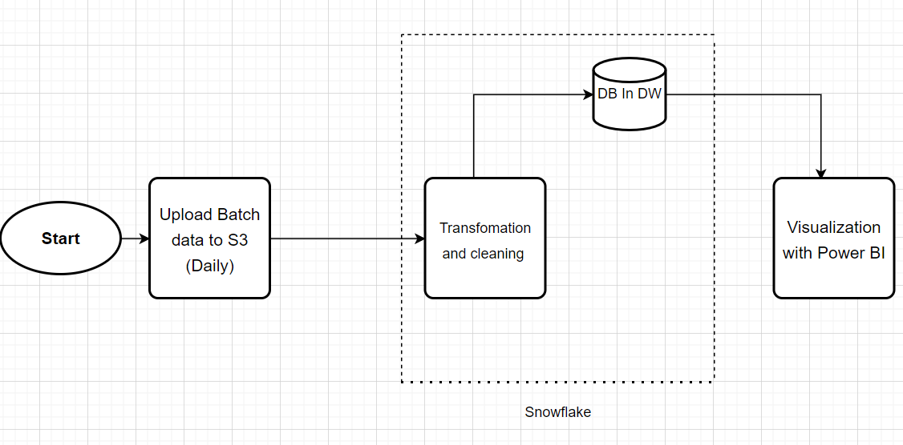
6. PROPOSED PROCESS
Provide details of the proposed process for addressing the primary issue your project attempts to solve. Feel free to include diagrams, flowcharts, or other visuals to illustrate the proposed process. For this process, we recommend that you use the same illustrative tool/style that you used for your present/current process (above).
The picture depicts the data flow in the system.

7. FUNCTIONAL REQUIREMENTS
Detail the project’s functional requirements by enumerating the ways in which the current process addresses the issue and by describing the functional requirements necessary to make the project successful.
User can see all the columns in Power BI The Visuals has to be interactive ( Display data when hovered) Separate index has ro be there for each Visual User should be able to generate PDF from the given dashboard

PRIORITY
Use the following priority table. It allows you to apply a ratings system to your requirements, so you have the visibility (into the value, status, and description of each requirement) that's necessary for determining whether a particular requirement is essential to project success:
VALUE | STATUS | DESCRIPTION
1 Creating Data warehouse, Transfomation | Immediate | The requirement is critical to the project’s success. Without fulfilling this requirement, the project is not possible.
2 Visualization with Power BI | High | The requirement is high priority re the project's success, but the project could still be implemented in a minimum viable product (MVP) scenario.
3 | Moderate | The requirement is important to the project’s success, as it provides value, but the project could still be implemented in an MVP scenario.
4 | Low | The requirement is of low priority, but the project’s success is not dependent upon it.
5 | Prospective | The requirement is out of the project’s scope and is included as a possible component of a prospective release and/or feature.

8. NON-FUNCTIONAL REQUIREMENTS
Detail all non-functional requirements (NFRs) of the project, including such things as features, system behavior, and project characteristics that relate to user experience.
ID | REQUIREMENT
1 | An individual has to upload file to S3 on daily basis
2 | The format of the file should be .Xls

9. GLOSSARY
For easy reference, enter any terms, abbreviations, and/or acronyms that you include in this document.
TERM/ABBREVIATION | EXPLANATION

